Luna Trial 1
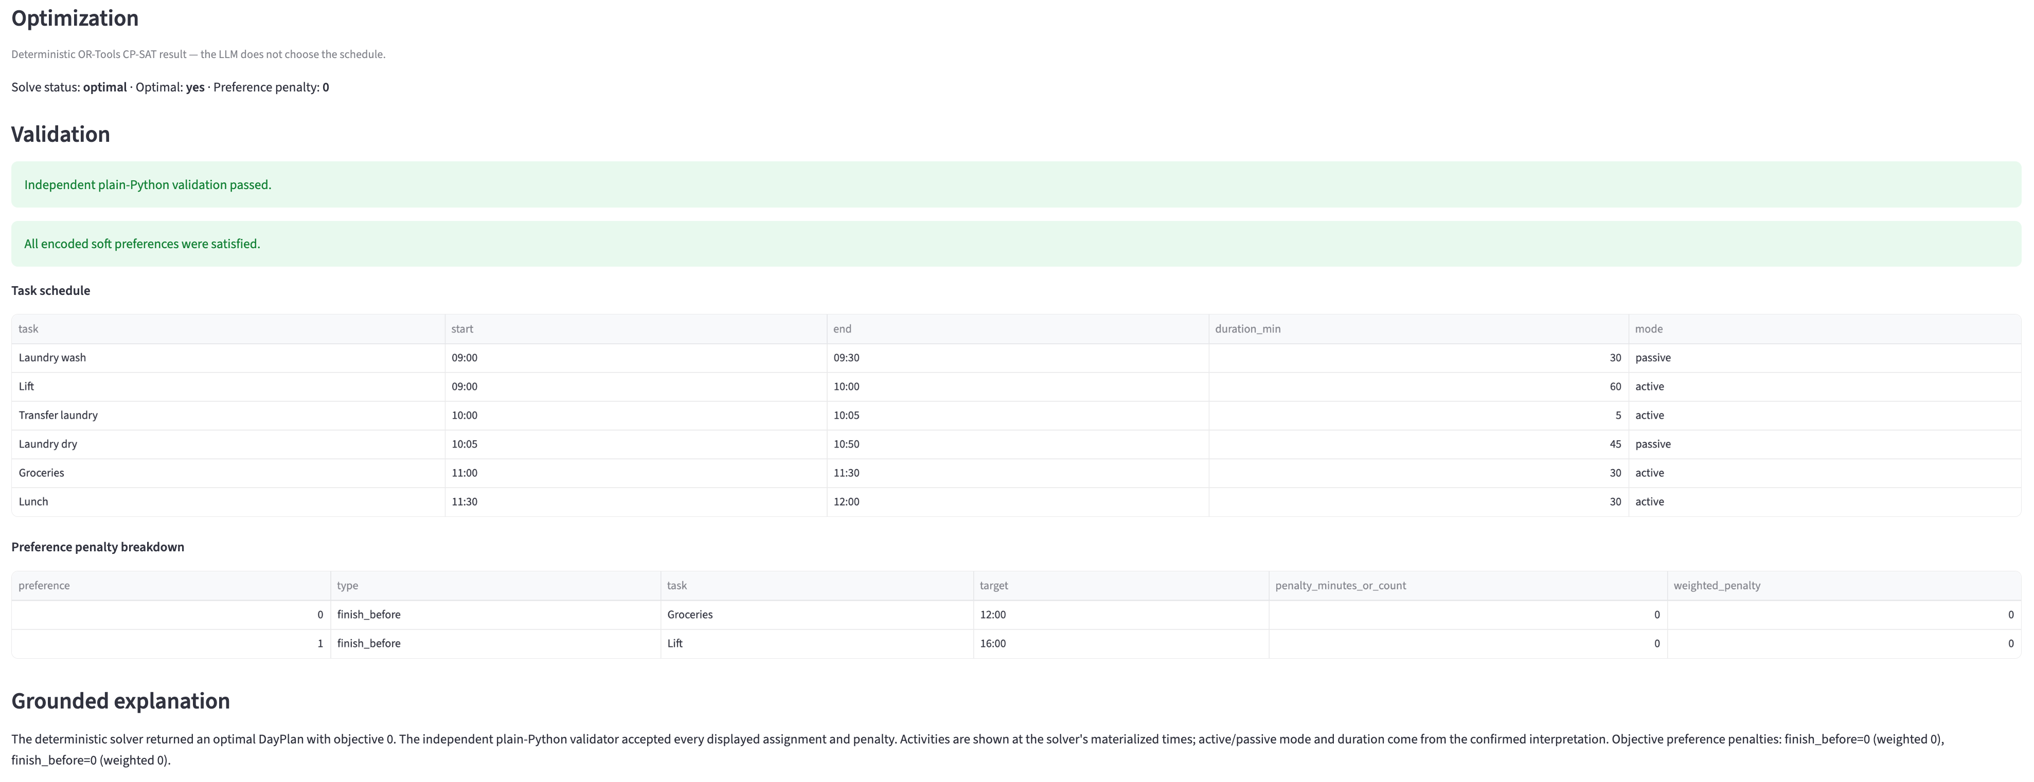
Trial # | 1
Model | Luna 6
Problem Type | Day Planner
Problem | On Mondays, I work from home. Our general hours are from 9am to 6pm. My Mondays are pretty light, so I have time to do errands during the day. I usually have a single meeting from 10:30am to 11:00am. I need to do groceries which takes 30 minutes. Laundry is across the street: wash takes 30 minutes, transferring takes 5 minutes, and drying takes 45 minutes. I can work while the machines are running but need to be free for the transfer. I also need to lift which takes an hour. I prefer to lift in the early afternoon as there are less people there. It gets crowded around 4pm. Grocery shopping also gets crowded in the afternoon so I prefer to go before lunch. I like to eat lunch around 12pm to 1pm if I can. How should I plan my day?
Clarification Question 1 | How long should lunch take?
Clarification Answer | 30 minutes
Interpretation JSON | { "horizon": { "start": "09:00", "end": "18:00" }, "work_window": { "start": "09:00", "end": "18:00" }, "fixed_events": [ { "name": "Meeting", "start": "10:30", "end": "11:00" } ], "tasks": [ { "name": "Groceries", "duration_min": 30, "mode": "active", "earliest_start": null, "latest_end": null, "required": true }, { "name": "Laundry wash", "duration_min": 30, "mode": "passive", "earliest_start": null, "latest_end": null, "required": true }, { "name": "Transfer laundry", "duration_min": 5, "mode": "active", "earliest_start": null, "latest_end": null, "required": true }, { "name": "Laundry dry", "duration_min": 45, "mode": "passive", "earliest_start": null, "latest_end": null, "required": true }, { "name": "Lift", "duration_min": 60, "mode": "active", "earliest_start": null, "latest_end": null, "required": true }, { "name": "Lunch", "duration_min": 30, "mode": "active", "earliest_start": null, "latest_end": null, "required": true } ], "precedences": [ { "before": "Laundry wash", "after": "Transfer laundry", "min_gap_min": 0, "max_gap_min": null }, { "before": "Transfer laundry", "after": "Laundry dry", "min_gap_min": 0, "max_gap_min": null } ], "preferences": [ { "type": "finish_before", "task": "Groceries", "time": "12:00", "weight": 1 }, { "type": "finish_before", "task": "Lift", "time": "16:00", "weight": 1 } ] }

Luna Trial 2
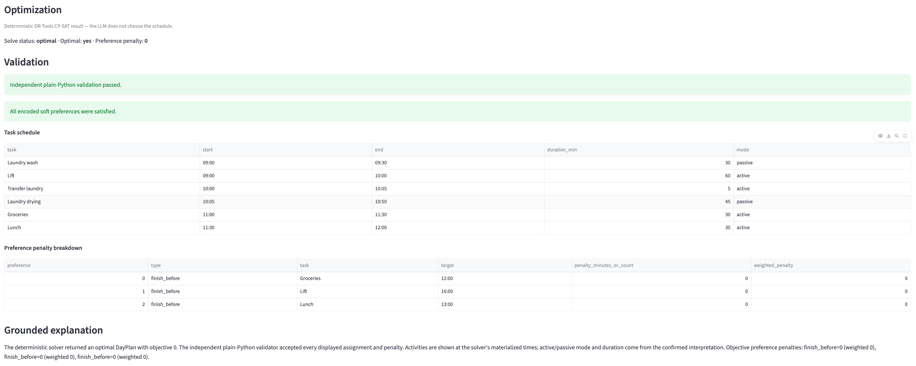
Trial # | 2
Model | Luna 6
Problem Type | Day Planner
Problem | On Mondays, I work from home. Our general hours are from 9am to 6pm. My Mondays are pretty light, so I have time to do errands during the day. I usually have a single meeting from 10:30am to 11:00am. I need to do groceries which takes 30 minutes. Laundry is across the street: wash takes 30 minutes, transferring takes 5 minutes, and drying takes 45 minutes. I can work while the machines are running but need to be free for the transfer. I also need to lift which takes an hour. I prefer to lift in the early afternoon as there are less people there. It gets crowded around 4pm. Grocery shopping also gets crowded in the afternoon so I prefer to go before lunch. I like to eat lunch around 12pm to 1pm if I can. How should I plan my day?
Clarification Question 1 | What time range should the Monday planning horizon cover? The 9:00–18:00 hours are stated as work hours, but do not establish the full planning horizon.
Clarification Question 2 | How long should lunch take?
Clarification Answer | Same time range as the work day. Lunch should take 30 minutes.
Interpretation JSON | { "horizon": { "start": "09:00", "end": "18:00" }, "work_window": { "start": "09:00", "end": "18:00" }, "fixed_events": [ { "name": "Meeting", "start": "10:30", "end": "11:00" } ], "tasks": [ { "name": "Groceries", "duration_min": 30, "mode": "active", "earliest_start": null, "latest_end": null, "required": true }, { "name": "Laundry wash", "duration_min": 30, "mode": "passive", "earliest_start": null, "latest_end": null, "required": true }, { "name": "Transfer laundry", "duration_min": 5, "mode": "active", "earliest_start": null, "latest_end": null, "required": true }, { "name": "Laundry drying", "duration_min": 45, "mode": "passive", "earliest_start": null, "latest_end": null, "required": true }, { "name": "Lift", "duration_min": 60, "mode": "active", "earliest_start": null, "latest_end": null, "required": true }, { "name": "Lunch", "duration_min": 30, "mode": "active", "earliest_start": null, "latest_end": null, "required": true } ], "precedences": [ { "before": "Laundry wash", "after": "Transfer laundry", "min_gap_min": 0, "max_gap_min": null }, { "before": "Transfer laundry", "after": "Laundry drying", "min_gap_min": 0, "max_gap_min": null } ], "preferences": [ { "type": "finish_before", "task": "Groceries", "time": "12:00", "weight": 1 }, { "type": "finish_before", "task": "Lift", "time": "16:00", "weight": 1 }, { "type": "finish_before", "task": "Lunch", "time": "13:00", "weight": 1 }

Luna Trial 3
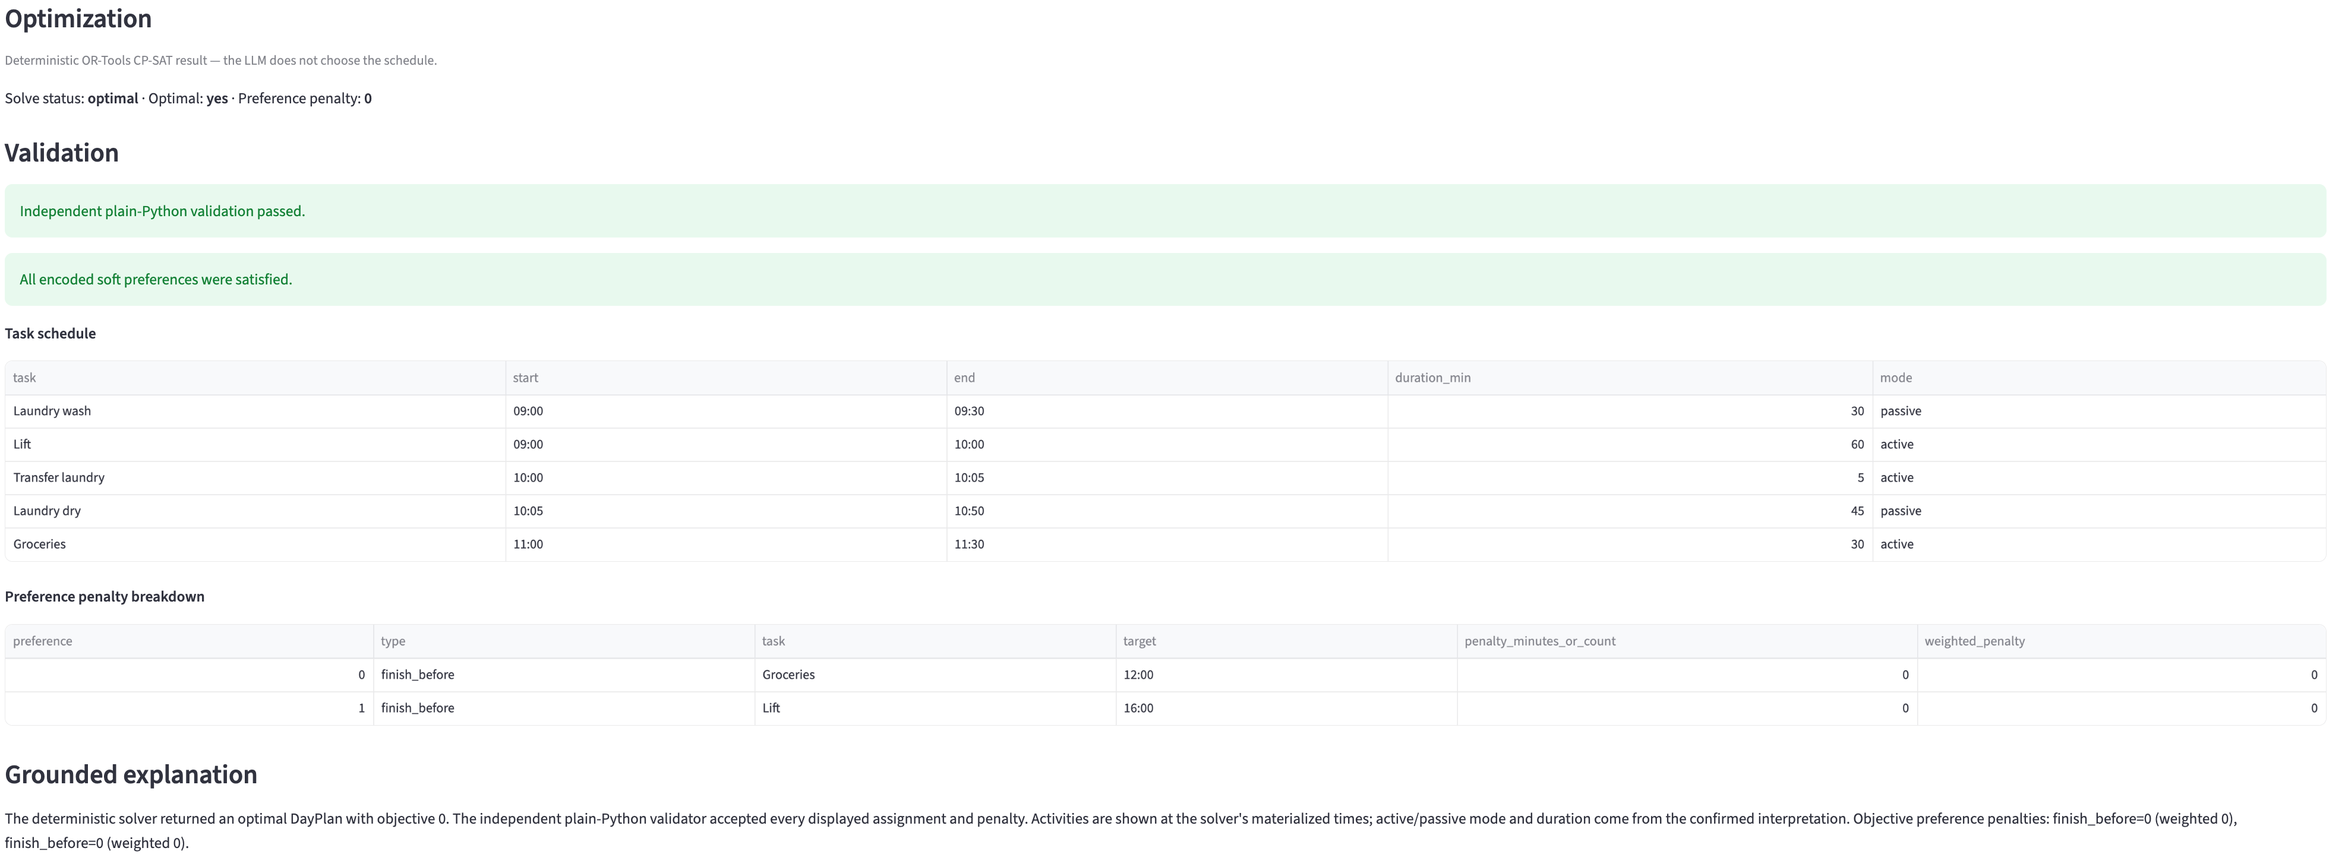
Trial # | 3
Model | Luna 6
Problem Type | Day Planner
Problem | On Mondays, I work from home. Our general hours are from 9am to 6pm. My Mondays are pretty light, so I have time to do errands during the day. I usually have a single meeting from 10:30am to 11:00am. I need to do groceries which takes 30 minutes. Laundry is across the street: wash takes 30 minutes, transferring takes 5 minutes, and drying takes 45 minutes. I can work while the machines are running but need to be free for the transfer. I also need to lift which takes an hour. I prefer to lift in the early afternoon as there are less people there. It gets crowded around 4pm. Grocery shopping also gets crowded in the afternoon so I prefer to go before lunch. I like to eat lunch around 12pm to 1pm if I can. How should I plan my day?
Clarification Question 1 | What time range should the day plan cover? Your work hours are 09:00–18:00, but the overall planning horizon is not specified.
Clarification Answer | Same time range as the work day
Interpretation JSON | { "horizon": { "start": "09:00", "end": "18:00" }, "work_window": { "start": "09:00", "end": "18:00" }, "fixed_events": [ { "name": "Meeting", "start": "10:30", "end": "11:00" } ], "tasks": [ { "name": "Groceries", "duration_min": 30, "mode": "active", "earliest_start": null, "latest_end": null, "required": true }, { "name": "Laundry wash", "duration_min": 30, "mode": "passive", "earliest_start": null, "latest_end": null, "required": true }, { "name": "Transfer laundry", "duration_min": 5, "mode": "active", "earliest_start": null, "latest_end": null, "required": true }, { "name": "Laundry dry", "duration_min": 45, "mode": "passive", "earliest_start": null, "latest_end": null, "required": true }, { "name": "Lift", "duration_min": 60, "mode": "active", "earliest_start": null, "latest_end": null, "required": true } ], "precedences": [ { "before": "Laundry wash", "after": "Transfer laundry", "min_gap_min": 0, "max_gap_min": null }, { "before": "Transfer laundry", "after": "Laundry dry", "min_gap_min": 0, "max_gap_min": null } ], "preferences": [ { "type": "finish_before", "task": "Groceries", "time": "12:00", "weight": 1 }, { "type": "finish_before", "task": "Lift", "time": "16:00", "weight": 1 } ] }

Sol Trial 1
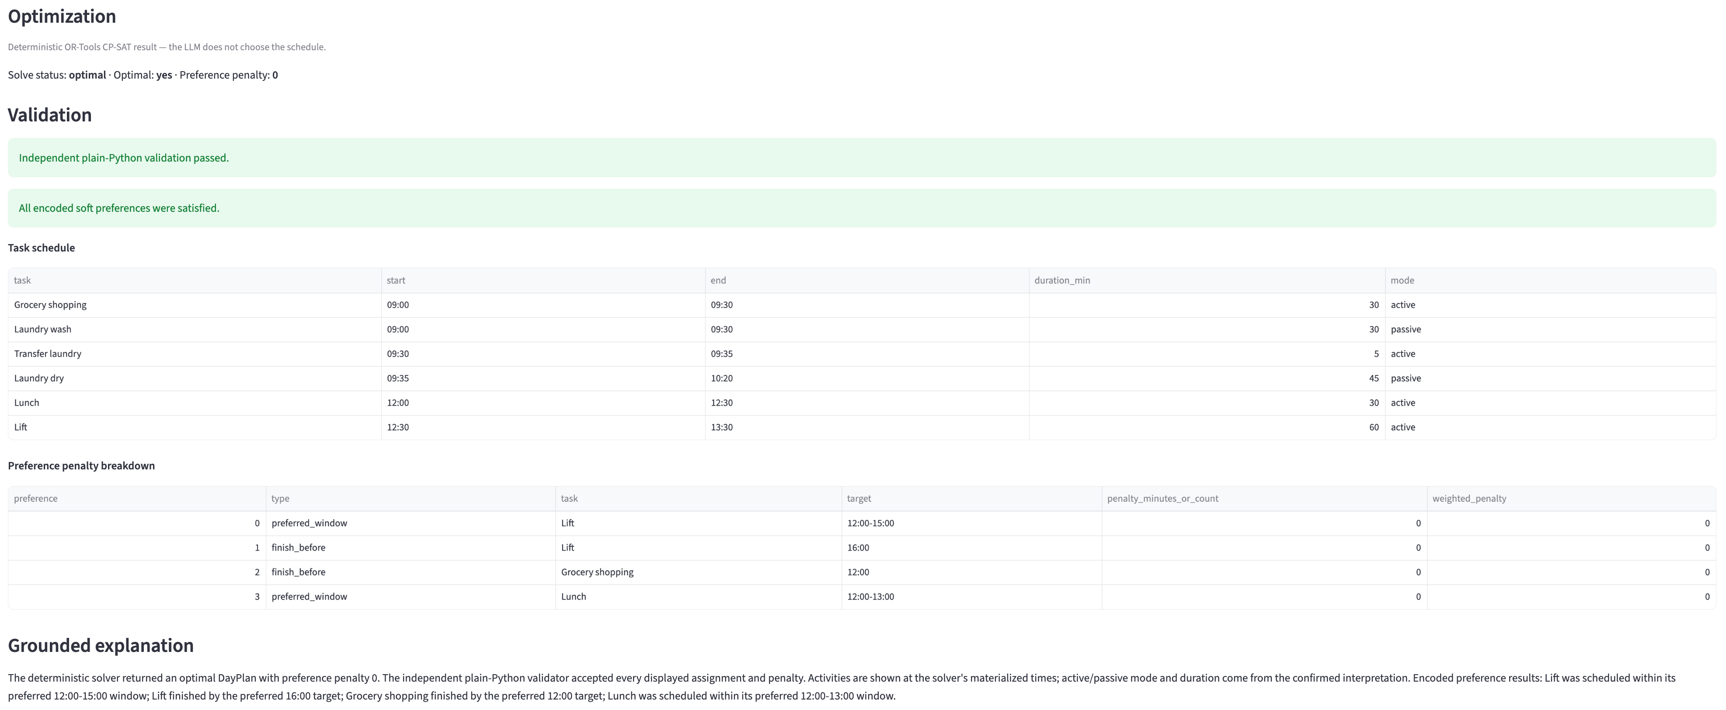
Trial # | 1
Model | Sol 6
Problem Type | Day Planner
Problem | On Mondays, I work from home. Our general hours are from 9am to 6pm. My Mondays are pretty light, so I have time to do errands during the day. I usually have a single meeting from 10:30am to 11:00am. I need to do groceries which takes 30 minutes. Laundry is across the street: wash takes 30 minutes, transferring takes 5 minutes, and drying takes 45 minutes. I can work while the machines are running but need to be free for the transfer. I also need to lift which takes an hour. I prefer to lift in the early afternoon as there are less people there. It gets crowded around 4pm. Grocery shopping also gets crowded in the afternoon so I prefer to go before lunch. I like to eat lunch around 12pm to 1pm if I can. How should I plan my day?
Clarification Question 1 | How long should I allow for lunch?
Clarification Answer | 30 minutes
Interpretation JSON | { "horizon": { "start": "09:00", "end": "18:00" }, "work_window": { "start": "09:00", "end": "18:00" }, "fixed_events": [ { "name": "Meeting", "start": "10:30", "end": "11:00" } ], "tasks": [ { "name": "Grocery shopping", "duration_min": 30, "mode": "active", "earliest_start": null, "latest_end": null, "required": true }, { "name": "Laundry wash", "duration_min": 30, "mode": "passive", "earliest_start": null, "latest_end": null, "required": true }, { "name": "Transfer laundry", "duration_min": 5, "mode": "active", "earliest_start": null, "latest_end": null, "required": true }, { "name": "Laundry dry", "duration_min": 45, "mode": "passive", "earliest_start": null, "latest_end": null, "required": true }, { "name": "Lift", "duration_min": 60, "mode": "active", "earliest_start": null, "latest_end": null, "required": true }, { "name": "Lunch", "duration_min": 30, "mode": "active", "earliest_start": null, "latest_end": null, "required": true } ], "precedences": [ { "before": "Laundry wash", "after": "Transfer laundry", "min_gap_min": 0, "max_gap_min": 0 }, { "before": "Transfer laundry", "after": "Laundry dry", "min_gap_min": 0, "max_gap_min": 0 } ], "preferences": [ { "type": "preferred_window", "task": "Lift", "time": null, "start": "12:00", "end": "15:00", "weight": 1 }, { "type": "finish_before", "task": "Lift", "time": "16:00", "start": null, "end": null, "weight": 1 }, { "type": "finish_be

Sol Trial 2
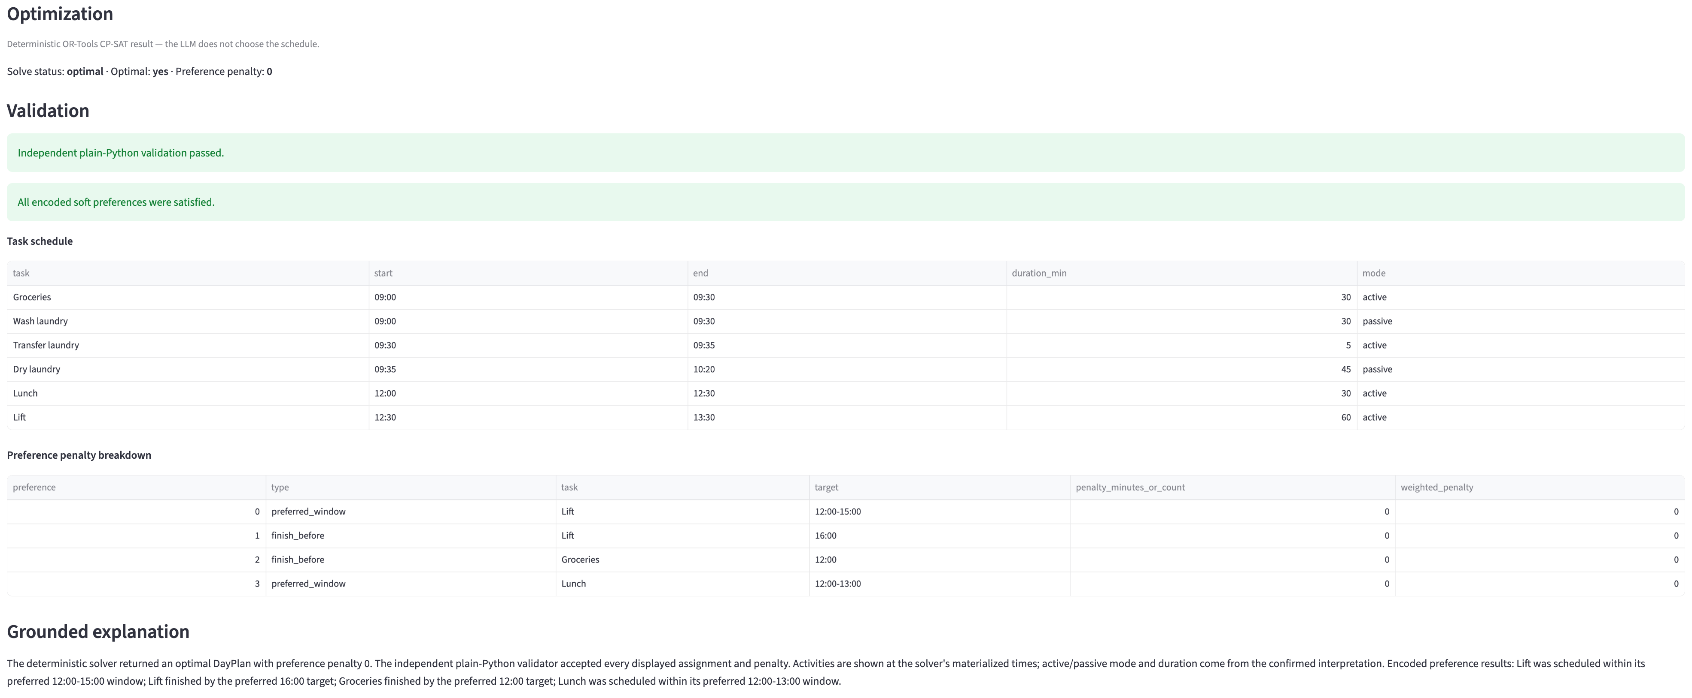
Trial # | 2
Model | Sol 6
Problem Type | Day Planner
Problem | On Mondays, I work from home. Our general hours are from 9am to 6pm. My Mondays are pretty light, so I have time to do errands during the day. I usually have a single meeting from 10:30am to 11:00am. I need to do groceries which takes 30 minutes. Laundry is across the street: wash takes 30 minutes, transferring takes 5 minutes, and drying takes 45 minutes. I can work while the machines are running but need to be free for the transfer. I also need to lift which takes an hour. I prefer to lift in the early afternoon as there are less people there. It gets crowded around 4pm. Grocery shopping also gets crowded in the afternoon so I prefer to go before lunch. I like to eat lunch around 12pm to 1pm if I can. How should I plan my day?
Clarification Question 1 | How long should lunch take?
Clarification Answer | 30 minutes
Interpretation JSON | { "horizon": { "start": "09:00", "end": "18:00" }, "work_window": { "start": "09:00", "end": "18:00" }, "fixed_events": [ { "name": "Meeting", "start": "10:30", "end": "11:00" } ], "tasks": [ { "name": "Groceries", "duration_min": 30, "mode": "active", "earliest_start": null, "latest_end": null, "required": true }, { "name": "Wash laundry", "duration_min": 30, "mode": "passive", "earliest_start": null, "latest_end": null, "required": true }, { "name": "Transfer laundry", "duration_min": 5, "mode": "active", "earliest_start": null, "latest_end": null, "required": true }, { "name": "Dry laundry", "duration_min": 45, "mode": "passive", "earliest_start": null, "latest_end": null, "required": true }, { "name": "Lift", "duration_min": 60, "mode": "active", "earliest_start": null, "latest_end": null, "required": true }, { "name": "Lunch", "duration_min": 30, "mode": "active", "earliest_start": null, "latest_end": null, "required": true } ], "precedences": [ { "before": "Wash laundry", "after": "Transfer laundry", "min_gap_min": 0, "max_gap_min": 0 }, { "before": "Transfer laundry", "after": "Dry laundry", "min_gap_min": 0, "max_gap_min": 0 } ], "preferences": [ { "type": "preferred_window", "task": "Lift", "time": null, "start": "12:00", "end": "15:00", "weight": 1 }, { "type": "finish_before", "task": "Lift", "time": "16:00", "start": null, "end": null, "weight": 1 }, { "type": "finish_before",

Sol Trial 3
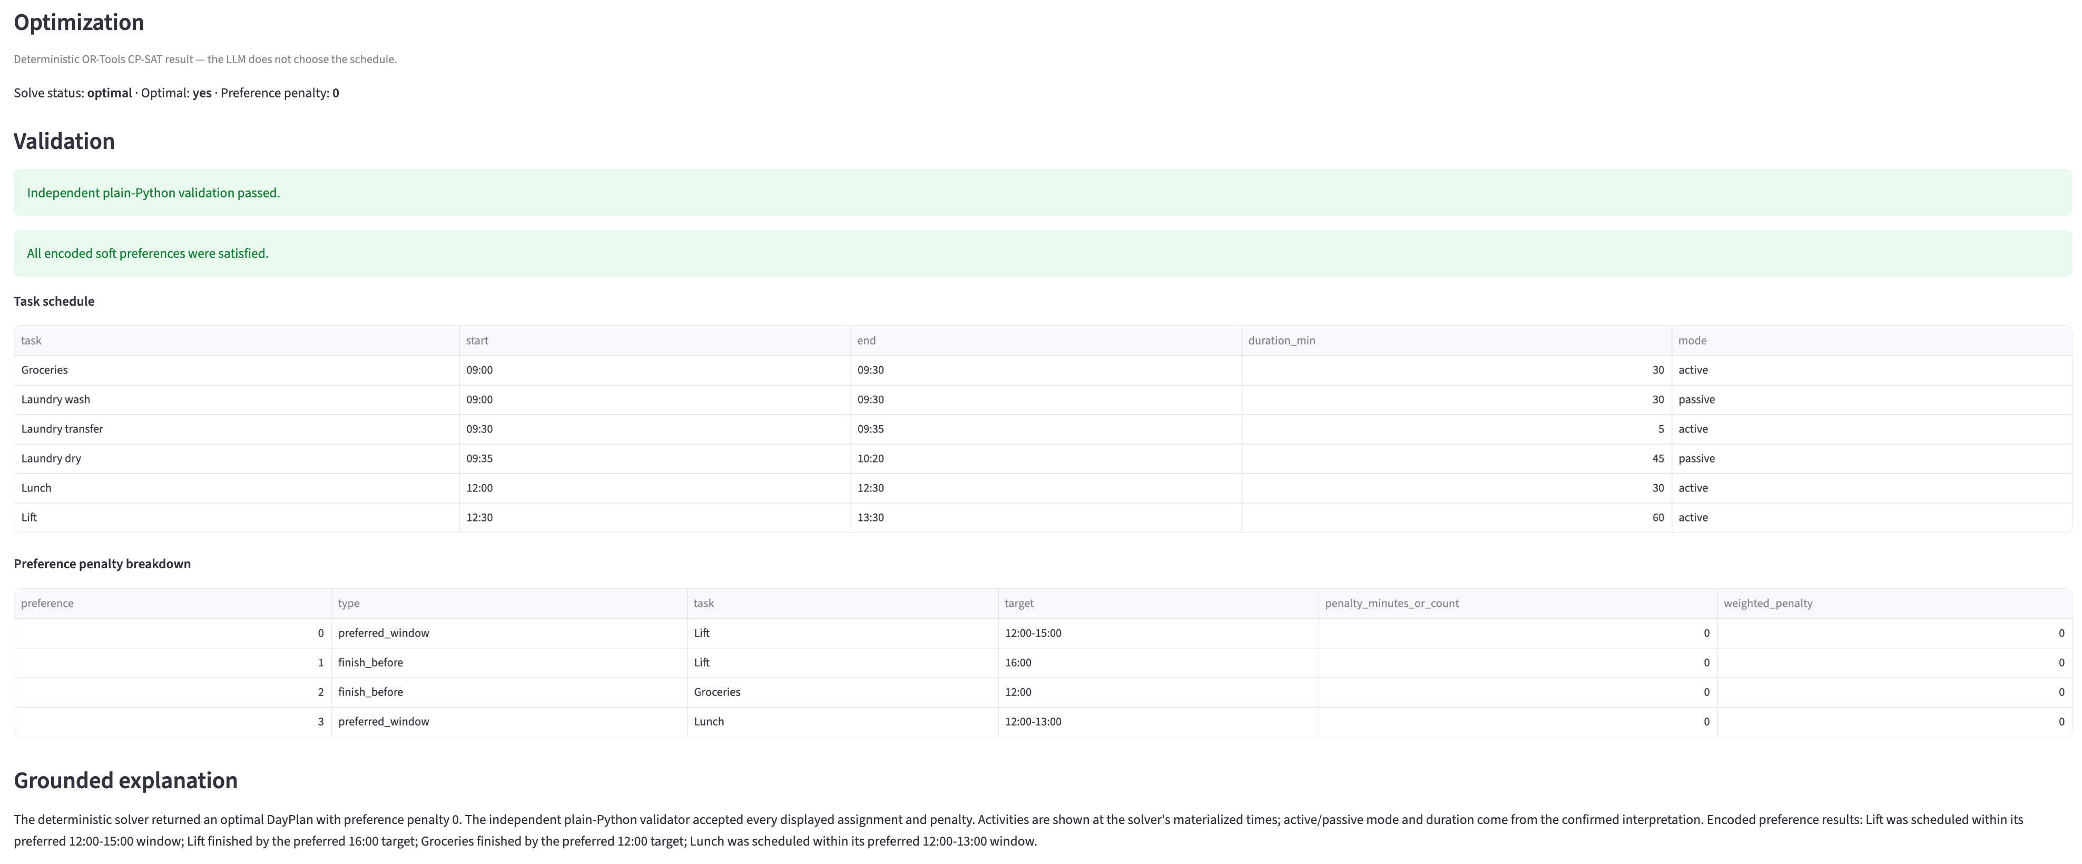
Trial # | 3
Model | Sol 6
Problem Type | Day Planner
Problem | On Mondays, I work from home. Our general hours are from 9am to 6pm. My Mondays are pretty light, so I have time to do errands during the day. I usually have a single meeting from 10:30am to 11:00am. I need to do groceries which takes 30 minutes. Laundry is across the street: wash takes 30 minutes, transferring takes 5 minutes, and drying takes 45 minutes. I can work while the machines are running but need to be free for the transfer. I also need to lift which takes an hour. I prefer to lift in the early afternoon as there are less people there. It gets crowded around 4pm. Grocery shopping also gets crowded in the afternoon so I prefer to go before lunch. I like to eat lunch around 12pm to 1pm if I can. How should I plan my day?
Clarification Question 1 | How many minutes should I allow for lunch?
Clarification Answer | 30 minutes
Interpretation JSON | { "horizon": { "start": "09:00", "end": "18:00" }, "work_window": { "start": "09:00", "end": "18:00" }, "fixed_events": [ { "name": "Meeting", "start": "10:30", "end": "11:00" } ], "tasks": [ { "name": "Groceries", "duration_min": 30, "mode": "active", "earliest_start": null, "latest_end": null, "required": true }, { "name": "Laundry wash", "duration_min": 30, "mode": "passive", "earliest_start": null, "latest_end": null, "required": true }, { "name": "Laundry transfer", "duration_min": 5, "mode": "active", "earliest_start": null, "latest_end": null, "required": true }, { "name": "Laundry dry", "duration_min": 45, "mode": "passive", "earliest_start": null, "latest_end": null, "required": true }, { "name": "Lift", "duration_min": 60, "mode": "active", "earliest_start": null, "latest_end": null, "required": true }, { "name": "Lunch", "duration_min": 30, "mode": "active", "earliest_start": null, "latest_end": null, "required": true } ], "precedences": [ { "before": "Laundry wash", "after": "Laundry transfer", "min_gap_min": 0, "max_gap_min": 0 }, { "before": "Laundry transfer", "after": "Laundry dry", "min_gap_min": 0, "max_gap_min": 0 } ], "preferences": [ { "type": "preferred_window", "task": "Lift", "time": null, "start": "12:00", "end": "15:00", "weight": 1 }, { "type": "finish_before", "task": "Lift", "time": "16:00", "start": null, "end": null, "weight": 1 }, { "type": "finish_before",

